Module 32
Main
 | Module 32 - Consolidated Financial Statements: Accounting Requirements

 | IFRS 10

 | Failure to consolidate a subsidiary is one of the most common means of achieving 'off balance sheet finance'
 | eg - borrowing through a subsidiary and not reporting the liability

 | Whilst the net assets of the group may be largely unaffected by the exclusion of both
 | asset and liability, ratios related to debt may be improved significantly, and profits are
 | overstated. As a result, analysts and other users may view the group more
 | favourably.

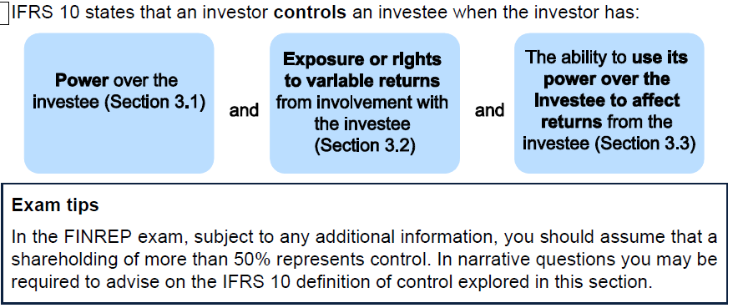

 | Voting rights alone do not indicate power over the company
 | a less than 50 percent holding could have power over a company is all other shareholding are widely dispered
 | an investor holding >50% of voting rights may not have power if another party has power arising from specific contractual rights

 | IFRS 10 requires voting pattersn at previous shareholder meetings are considered when determing whether voting rights indicate power

 | Potential voting rights | <<<<up to here - 32.3.1.2 in the notes

